找货表
客户名 | 产品中文名字 | 产品英文名字 | SKU | SKU图片(小图) | 款式 | 材质 | QTY | 重量（g) | EXW (RMB) | Local (RMB) | 采购链接 | 客户链接 | 厂家链接 | 尺码表 | 备注 | 实际包装
LG-Le | 拼接方块积木 | Assemble blocks | LAB-01 | 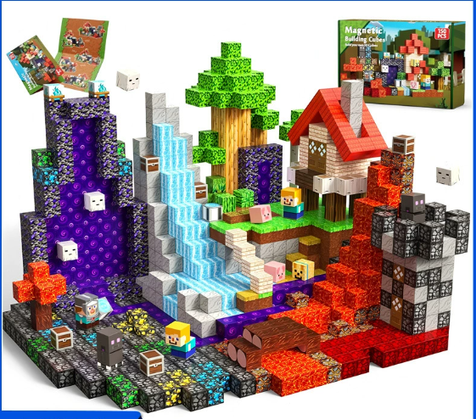 | 岩浆森林【150pcs】跨境品质 |  | 1 | 620 | 62.1 | 0 | https://detail.1688.com/offer/945815791784.html?spm=a261y.7663282.3002526303362591.2.6e6c7b1a4rIdRF&sk=order | https://detail.1688.com/offer/1001041494527.html?spm=a26352.b28411319/2508.0.0 |  | 包装尺寸32*20.8*2.5 | 1.实物图，包装图 2，包装尺寸 4.MOQ1跟MOQ10的价格，运费 多少 | 待提供
LG-Le | 拼接方块积木 | Assemble blocks | LAB-01 |  |  |  | 10 | 620 | 57 | 0
LG-Le | LED夜灯 | LED Night light | LAB-02 | 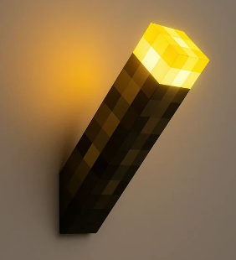 | 我的世界火把灯【单色款】 |  | 1 | 260 | 15.5 | 3 | https://detail.1688.com/offer/924796329858.html?spm=a360q.8274423%2Fnew.goods.productimage | https://detail.1688.com/offer/1001041494527.html?spm=a26352.b28411319/2508.0.0 |  | 包装尺寸30*8*8 | 客户链接没有灯的规格信息/带电 | 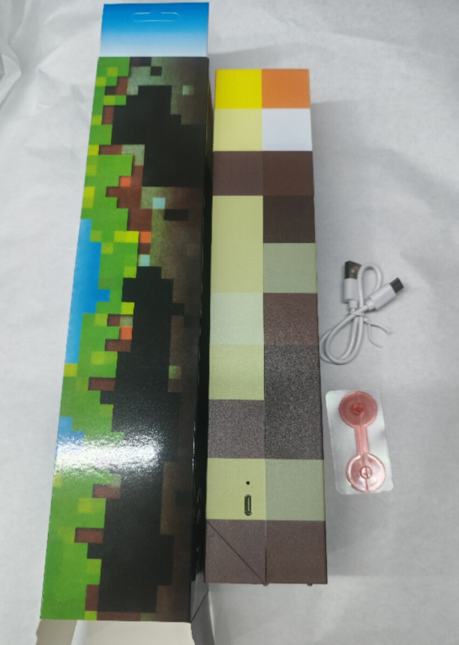
LG-Le | LED夜灯 | LED Night light | LAB-02 |  |  |  | 10 | 260 | 15.5 | 7.5
LG-Le | 卡通玩偶 | cartoon toy | TOY-002 | 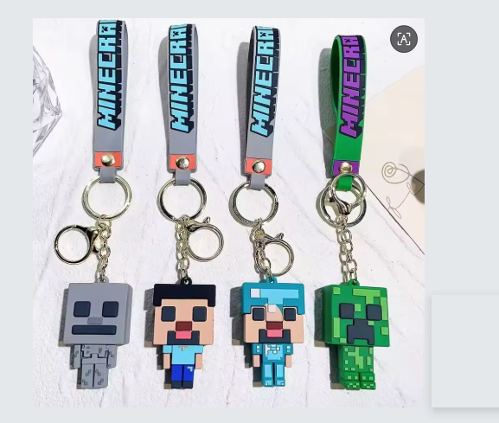 | 我的世界一代 |  | 1 | 50 | 2.1 | 3 | https://detail.1688.com/offer/838070826844.html?spm=a261y.7663282.3002526303362591.2.401332bdEKMHWJ&sk=order |  |  |  | 1.实物图，包装图 2.MOQ1跟MOQ10的价格，运费 多少 | 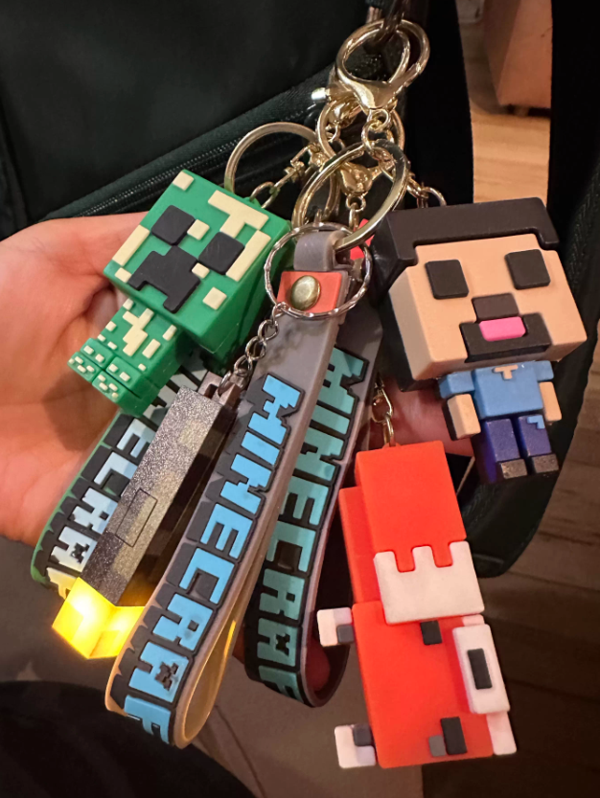
 | 卡通玩偶 | cartoon toy | TOY-002 |  |  |  | 10 | 50 | 2.1 | 3
 |  |  |  |  | 100片 岩浆森林 |  | 1 | 435 | 41.4 | 0 |  |  |  |  | 尺寸：21*21*2.5
 |  |  |  |  | • |  | 10 | 435 | 38.5 | 0
 |  |  |  |  | •
LG-Le | 枕头 |  |  | 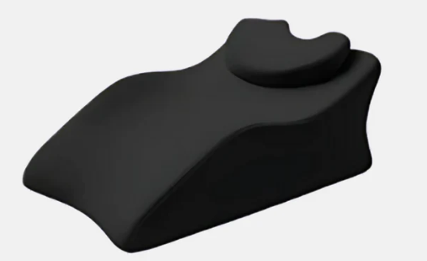 |  |  | 1 | 43 | 3 | 1640 | https://sienera.de/ | https://detail.1688.com/offer/848199047210.html?spm=a26352.b28411319/2508.0.0 | 相似款-深灰色/套装 压缩尺寸41*16cm | 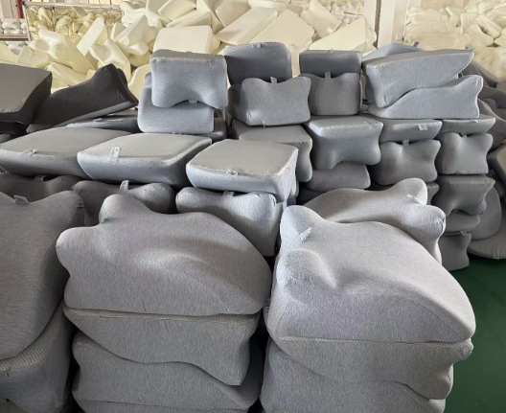 | 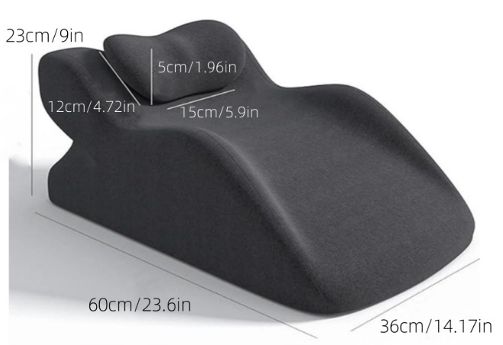 | 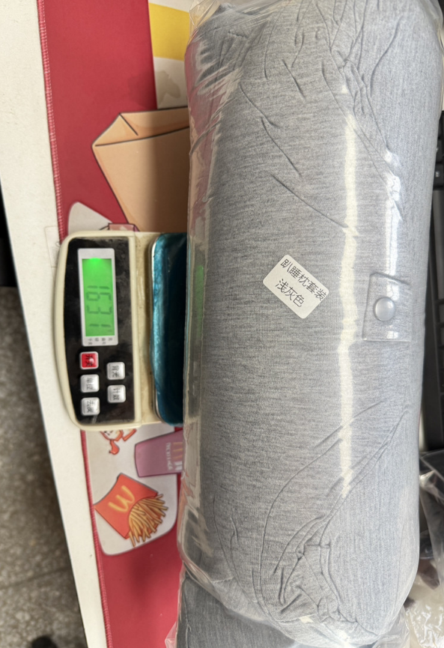
LG-Le | 眼罩 |  |  | 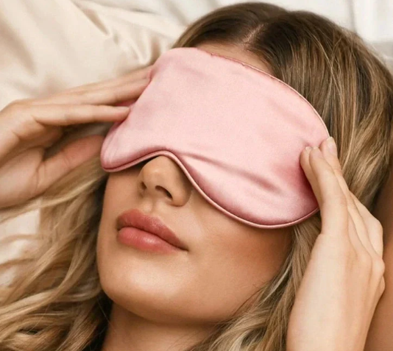 |  |  | 1 | 1.98 | 6 | 20 | https://sienera.de/products/rosa-seidenmaske?variant=56691135250757 | https://detail.1688.com/offer/989777140315.html?spm=a26352.b28411319/2508.0.0 | 单价十块以下 | 仿真丝面料 | 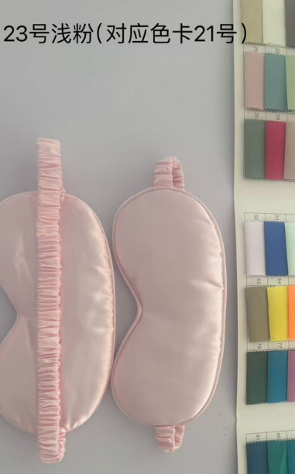 | 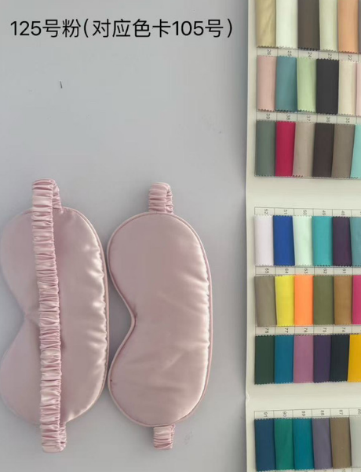 | 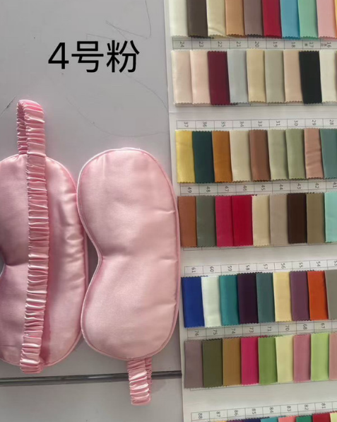
LG-Le |  |  |  | 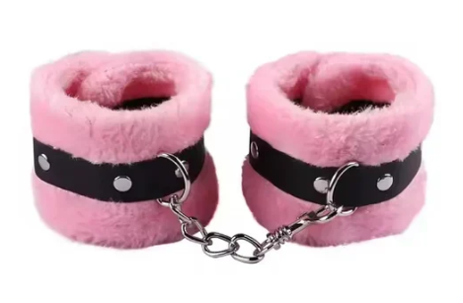 |  |  | 1 | 4.28 | 4 | 60 | https://sienera.de/products/rosa-samthandschellen?variant=56691135349061 | https://detail.1688.com/offer/640686521301.html?spm=a26352.b28411319/2508.0.0
LG-Le |  |  |  | 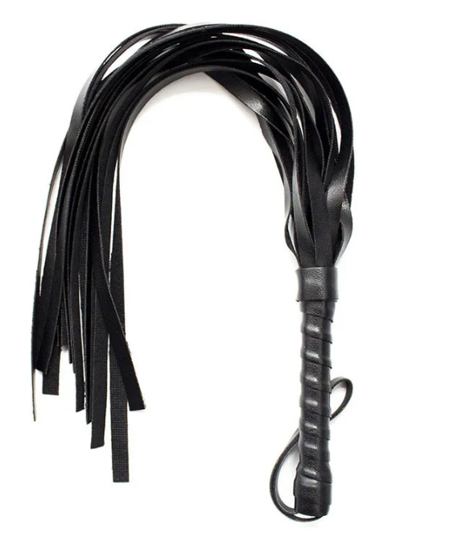 |  |  | 1 | 3.3 | 3 | 60 | https://sienera.de/products/flogger?variant=56691135447365 | https://detail.1688.com/offer/607496797412.html?spm=a26352.b28411319/2508.0.0
LG-Le |  |  |  | 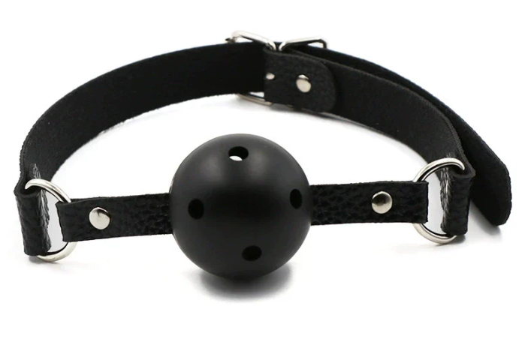 |  |  | 1 | 1.4 | 2 | 40 | https://sienera.de/products/ballgag?variant=56691135480133 | https://detail.1688.com/offer/841269232218.html?spm=a26352.b28411319/2508.0.0
Yanis | 瑜伽裤 | yoga clothes | YOG-001 | 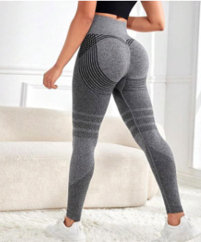 | S-3XL |  | 1 | 300 | 15.5 | 0 | https://detail.1688.com/offer/755189854367.html?spm=a360q.8274423%2Fnew.goods.productname | https://detail.1688.com/offer/813889305440.html?kj_agent_plugin=aliprice&fromkv=xytTrace:2132815517619490398882130e0f09&token=60I4nWZQXCmF20k9t9kufB%2Fs8d2q%2FrpmCvTQbQNSGEgwn%2FpWqLDfQQUzWcq%2BuR8E |  |  | 1.楼下有实物 2.链接上的颜色都有货 3.尺码表如左图 4单价都是一样，包邮 | 产品: 1.提供实物图跟包装图 2.提供颜色 3.根据客户网站尺寸图推荐合适尺寸对照 4.提供1条和10条的价格跟运费 |  | s-3xl 价格15，4-5XL价格16.1，包邮
Le | 瑜伽短裤 | Yoga shorts | ART-001 | 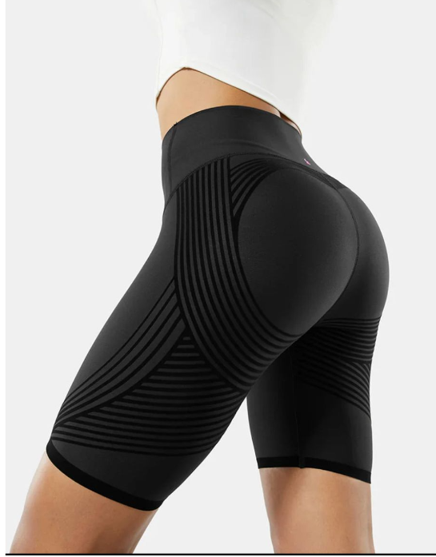 |  |  | 1 | 250 | 13 | 0 | https://detail.1688.com/offer/954071845402.html?spm=a360q.8274423%2Fnew.goods.productimage |  |  |  | 小高丽琼在卖的爆款 | 仓库有实物
Le | 连体塑身衣女 | Women's bodysuit | ART-002 | 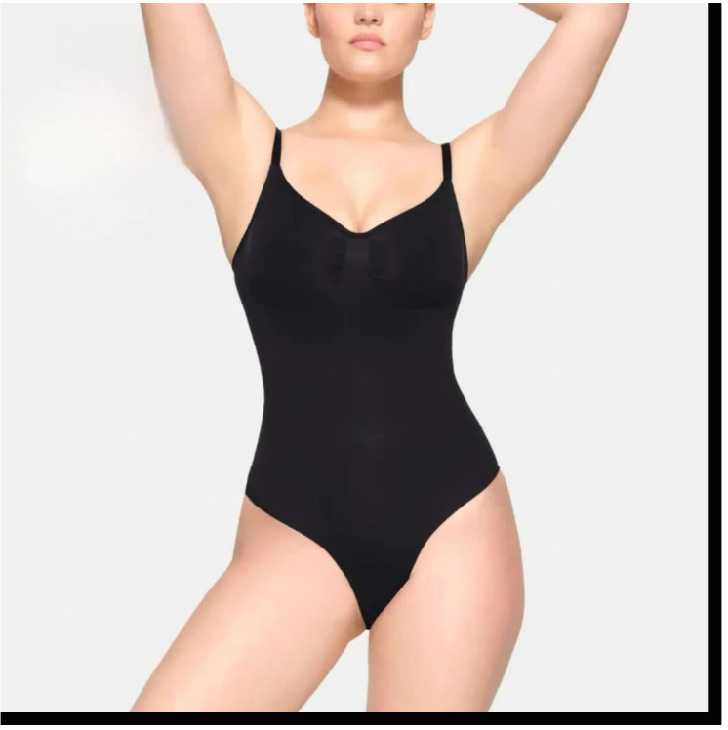 | T型裤/三角裤 |  | 1 | 110 | 35 | 3.5 | https://detail.1688.com/offer/825368947200.html?spm=a360q.8274423%2Fnew.goods.productimage |  |  | 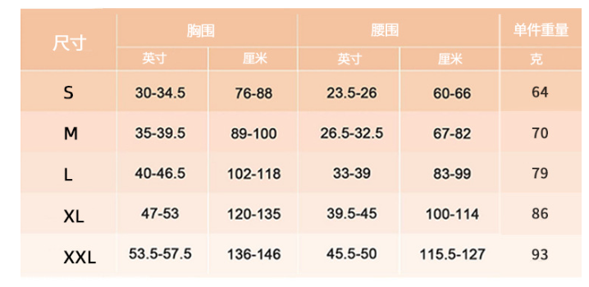 |  | 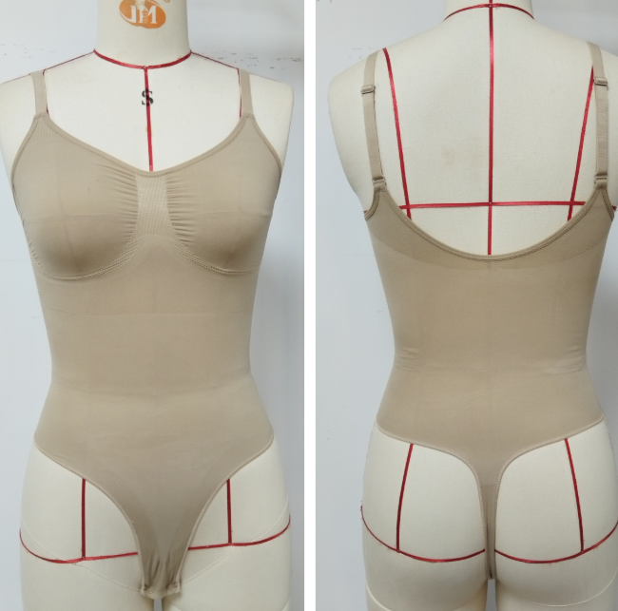 | 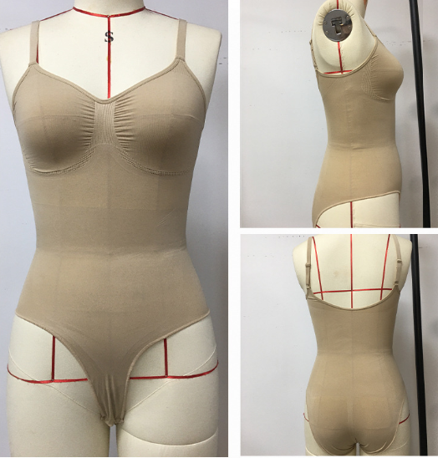
Le | 瑜伽手臂防晒护套 | Yoga Arm Sunscreen Cover | ART-003 |  |  |  | 1 | 25 | 2.52 | 2 | https://detail.1688.com/offer/839714820723.html |  |  | 均码 |  | 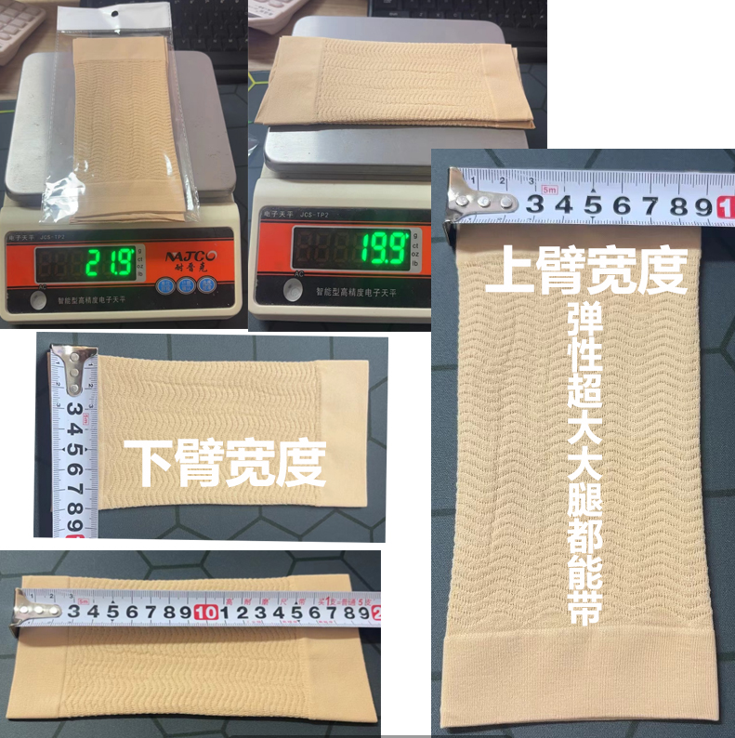
Le | 瑜伽裤包装袋定制 | Customized yoga pants packaging bags | 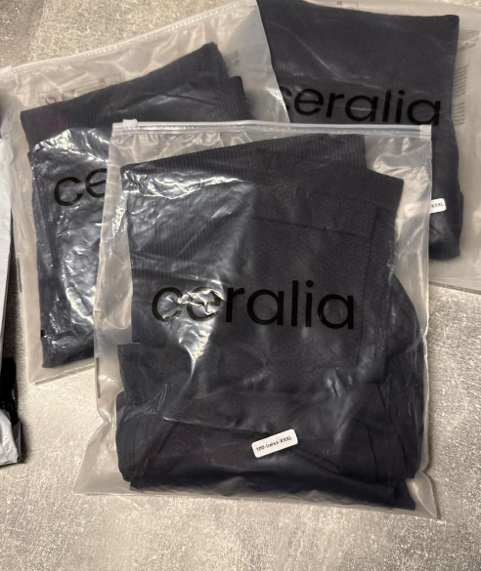 | 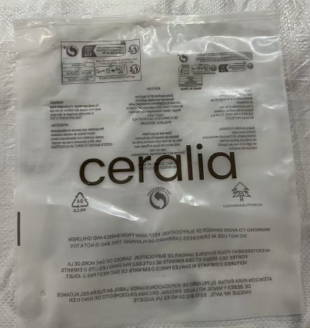 | 40*30cm |  | 1000 | / | 450 | 0 | https://detail.1688.com/offer/836084369295.html?spm=a360q.8274423%2Fnew.goods.productimage |  |  |  | 参考小高客户的包装袋尺寸40*30cm双面磨砂或者双面透明，单面单色印刷logo，后面用厂家现有的警示语/交期7-10天
Le | 30 patches |  | ART-004 |  |  |  | 1 | 8 | 2.5 | 6 | https://detail.1688.com/offer/985311607246.html | / | / | 1.实物图，包装图 3. MOQ1跟MOQ10的价格,运费分别是多少 | 1包30贴 | 15*10cm | 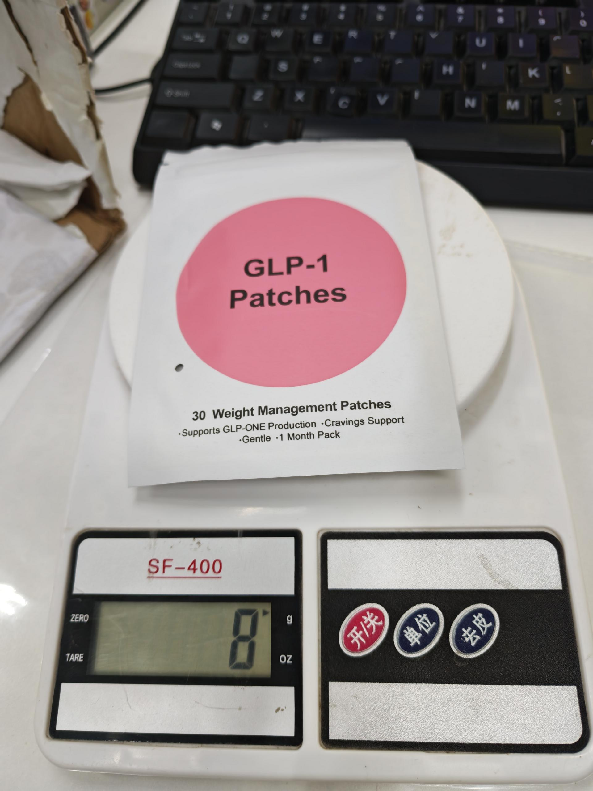
 |  |  |  |  |  |  | 10 | 8 | 2.5 | 6

